Extra
https://www.handelsblatt.com/english/companies/offshore-windpower-the-monopile-monopoly/23535042.html?ticket=ST-2136343-V97q5jUPaediAceZstfH-ap2
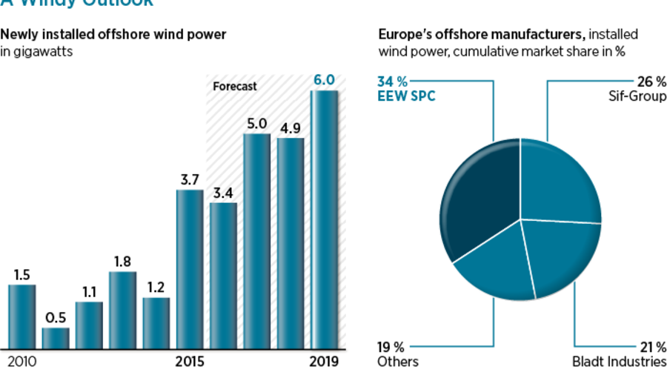

https://owgp.org.uk/wp-content/uploads/2020/01/UK-OSW-Foundations-Strategic-Capability-Assessment-2019-v04.03-1.pdf

